Method
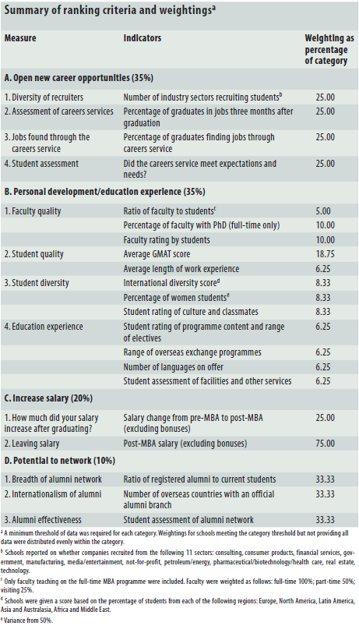

Notes
 | There are three levels of 'measures' (variables) here: 4 top-level (A to D) with 2 to 4 sub-variables inside each, and B having a further sub-level.
 | The weights in the Data sheet are the calculated overall weights for the bottom-level variables.
 | The 3 sub-variables that for D were not publically available.
 | There is some other 'missing' data
 |  | n/a and - are as were presented in the raw data
 |  | "N/A" arises from an Excel error (data extraction from their website was a long and tedious process, done by someone else, and these values seem to be no-longer available)
 | 0s are not missing data

